Table 1b Ukraine modalshare new
 | Modal split of grain and oilseeds export deliveries to Ukrainian ports
 |  | 2018 |  | 2019
 |  | 1000 tones | share | 1000 tones | share
 | railway | 29,428.1 | 74% | 36,180.7 | 68%
 | river | 3,145.3 | 8% | 4,852.3 | 9%
 | truck | 7,043.1 | 18% | 11,979.0 | 23%
 | Total | 39,616.6 | 100% | 53,012.0 | 100%

 | Source: Ukrzaliznitsya, Ukrainian Sea Ports Authorities
 | Ukrzaliznytsia

 | Table 1b. Tonnages and modal shares for Ukrainian grain and oilseeds exports, 2018-23
 | Year & Type of Movement | Rail |  | Barge via Dnipro river1 |  | Truck
 |  | 1,000 Tons | Percent | 1,000 Tons | Percent | 1,000 Tons | Percent
 | 2018 | 30,083 | 76% | 3,700 | 9% | 5,850 | 15%
 | 2019 | 36,707 | 69% | 5,650 | 11% | 10,667 | 20%
 | 2020 | 29,406 | 64% | 4,030 | 9% | 12,694 | 28%
 | 2021 | 28,495 | 60% | 4,300 | 9% | 14,500 | 31%
 | 2022 | 10,155 | 40% | - | - | 15,033 | 60%
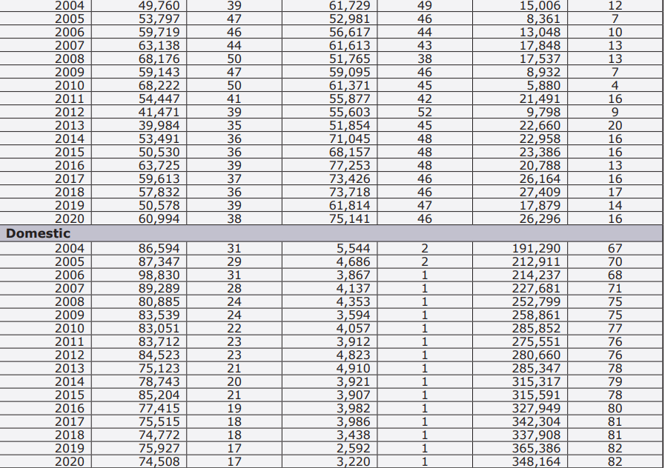
 | 2023 | 12,883 | 35% | - | - | 23,655 | 65%

 | 1From January to February 2022, navigation on the Dnipro River was closed because of winter conditions. From March to December, in both 2022 and 2023, navigation was also closed for security reasons related to the war with Russia. From 2018 to 2019, barged volumes included those for the Southern Bug River, and 2020-21 volumes included those for the Dnipro and Southern Bug Rivers. The barged volumes did not include shipments via the Danube River ports.
 | Source: Ukrainian Railways, Ukrainian Sea Ports Authorities, and Centre for Transport Strategies.

 | The majority of export (69%) was delivered by maritime transport (through the Black Sea and Danube ports)
Andrii:
 | “The majority of export (69%) was delivered by maritime transport (through the Black Sea and Danube ports) as the most comprehensive transport mode, while railway transport was suffering from the limited throughput capacity of the western border crossings. Share of railway was 24% of export volumes, while truck deliveries accounted for 7% (Ministry of Agrarian Policy and Food of Ukraine). By rail and truck the grain was exported through the western border of Ukraine and further to or via EU.”

 | Railway | 77.217
 | Road | 22.264
 | Ferry | 0.519
 |  | 100.000

Export by transport mode, Mar-Dec 2022, mln t
Ports | 17.913721
Railway | 6.139089
Road | 1.770063
Ferry | 0.041257

Fig.1a monthly maritime export
 | Corn, wheat and soybeans export through ports, mln. tones, 2023

 | January | February | March | April | May | June | July | August | September | October | November | December
Total export through ports | 3.18 | 3.93 | 4.82 | 3.73 | 2.78 | 3.19 | 1.40 | 1.49 | 1.43 | 2.38 | 3.33 | 4.87 | 36.54
Under Black Sea Grain Initiative (BSGI) | 2.55 | 2.97 | 3.38 | 2.40 | 1.09 | 1.82 | 0.19 |  |  |  |  |  | 14.41 | 39.4
 |  |  |  |  |  |  |  |  |  |  |  |  | 50.95

 | Figure 1a. Ukrainian grain and oilseeds* monthly maritime export, 2023
 | Total export through ports | Under Black Sea Grain Initiative (BSGI)
January | 3.18 | 2.55
February | 3.93 | 2.97
March | 4.82 | 3.38
April | 3.73 | 2.40
May | 2.78 | 1.09
June | 3.19 | 1.82
July | 1.40 | 0.19
August | 1.49
September | 1.43
October | 2.38
November | 3.33
December | 4.87

 | * Grain and oilseeds refer to corn, wheat, and soybeans.
 | The United Nation-brokered Black Sea Grain Initiative (BSGI) was in place from the end of July 27, 2022, to July 17, 2023. BSGI facilitated Ukraine’s use of its Black Sea ports of Chornomorsk, Odesa, and Pivdennyi. On August 10, 2023, Ukraine announced the opening of a “humanitarian corridor” for ships bound for African and Asian markets (Reuters). New Corridor includes the Danube River and Black Sea ports.
 | Source: Ministry of Agrarian Policy and Food of Ukraine.

