fgis-924
Form Approved OMB No. 0581-0309. According to the Paperwork Reduction Act of 1995, an agency may not conduct or sponsor, and a person is not required to respond to a collection of information unless it displays a valid OMB control number. The valid OMB control number for this information collection is 0581-0309. The time required to complete this information collection is estimated to average 15 minutes per response and 1 minute of recordkeeping, including the time for reviewing instructions, searching existing data sources, gathering and maintaining the data needed, and completing and reviewing the collection of information.

Agricultural Marketing Service Federal Grain Inspection Service
UNITED STATES DEPARTMENT OF AGRICULTURE
 |  |  |  |  |  |  |  |  | BARLEY PEARLER AND SIEVE TEST |  |  |  |  |  |  |  |  | NOTE: TEST UNIT OPERATOR
 |  |  |  |  |  |  |  |  |  |  |  |  |  |  |  |  |  | FILL IN SHADED AREAS ONLY
DATE MAILED |  |  |  |  | FIELD OFFICE |  |  |  |  |  |  | AGENCY |  |  |  |  |  |  | LOCATION

 |  |  |  |  |  |  |  |  |  |  | SIEVE TEST
INSTRUCTIONS: (1) Read Chapter 9 of Equipment Handbook. (2) Clean, level and oil sieve shaker before starting. (3) Inspect sieves for condition;
if sieving surfaces are dirty, loose or bowed, refer to the sieve maintenance section of Chapter 9.
 |  |  | TEST SIEVE RESULTS |  |  |  |  |  |  | STANDARD SIEVE RESULTS |  |  |  |  |  |  |  | SUMMARY OF RESULTS
To indicate correct toleance,
choose Direct Method (side-
by-side) or Sample Exchange.
SIEVING METHOD: |  |  |  |  |  |  |  | SIEVING METHOD: |  |  |  |  |  |  |  |  |  |  |  |  | TOLERANCE
 |  |  |  | GRAMS SIEVED OUT |  |  |  |  |  |  |  | GRAMS SIEVED OUT |  |  |  |  | TEST | STANDARD |  | DEVIATION | ALLOWED
SIEVE |  | SIEVE |  | FIRST | SECOND | THIRD | AVG. | SIEVE |  | SIEVE |  | FIRST | SECOND | THIRD | AVG. | SIEVE |  | SIEVE |  | FROM
No. No. | TYPE |  | SIZE | SIEVING SIEVING | SIEVING SIEVING | SIEVING SIEVING | PERCENT PERCENT | No. No. | TYPE |  | SIZE | SIEVING SIEVING | SIEVING SIEVING | SIEVING SIEVING | PERCENT PERCENT | RESULTS |  | RESULTS |  | STANDARD |  |  | IN | OUT
 |  |  |  |  |  |  | 0.00 |  |  |  |  |  |  |  | 0.00 | 0.0 |  | 0.0 |  | 0.0 | 0.2 |  | x
 |  |  |  |  |  |  | 0.00 |  |  |  |  |  |  |  | 0.00 | 0.0 |  | 0.0 |  |  | 0.0 |  | x
 |  |  |  |  |  |  | 0.00 |  |  |  |  |  |  |  | 0.00 | 0.0 |  | 0.0 |  |  | 0.0 |  | x
 |  |  |  |  |  |  | 0.00 |  |  |  |  |  |  |  | 0.00 | 0.0 |  | 0.0 |  |  | 0.0 |  | x
 |  |  |  |  |  |  | 0.00 |  |  |  |  |  |  |  | 0.00 | 0.0 |  | 0.0 |  |  | 0.0 |  | x

RESULTS BY: |  |  |  |  | DATE |  |  | RESULTS BY: |  |  |  |  |  | DATE |  | RESULTS BY: |  |  |  |  |  | DATE

REMARKS
 |  |  |  |  |  |  |  |  |  | BARLEY PEARLER TEST
INSTRUCTIONS: (1) Read Chapter 8 of Equipment Handbook. (2) Clean, oil and make necessary adjustments before starting. (3) Use a stopwatch or other timing device for testing. (4) Drop sample into
pearling chamber before starting motor. (5) Start pearler and timer at same time. (6) Pull slide to empty pearling chamber when assigned time has elapsed. Grain should clear pearling chamber before
motor is switched off.
 |  | TEST PEARLER RESULTS |  |  |  |  |  |  | STANDARD PEARLER RESULTS |  |  |  |  |  |  | SUMMARY OF RESULTS
PEARLING TIME |  |  | MIN. |  | SEC. |  | PEARLING TIME |  |  | MIN. |  | SEC. |  |  |  |  |  | TOLERANCE |  |  |  |  | Timer Deviation
TEST |  |  |  |  |  |  | TEST |  |  |  |  |  |  | TEST | STANDARD | DEVIATION |  | ALLOWED |  |  |  |  | Tolerance
PEARLER |  | FIRST | SECOND | THIRD | AVERAGE |  | PEARLER |  | FIRST | SECOND | THIRD | AVERAGE |  | PEARLER | PEARLER | FROM
NUMBER |  | PEARL | PEARL | PEARL | RESULTS |  | NUMBER |  | PEARL | PEARL | PEARL | RESULTS |  | RESULTS | RESULTS | STANDARD |  |  |  |  | IN | OUT | IN | OUT
 |  |  |  |  | 0.00 |  |  |  |  |  |  | 0.00 |  | 0.0 | 0.0 | 0.0 |  | 1.0 |  |  | x
 |  |  |  |  | 0.00 |  |  |  |  |  |  | 0.00 |  | 0.0 | 0.0 | 0.0 |  | 1.0 |  |  | x
 |  |  |  |  | 0.00 |  |  |  |  |  |  | 0.00 |  | 0.0 | 0.0 | 0.0 |  | 1.0 |  |  | x
 |  |  |  |  | 0.00 |  |  |  |  |  |  | 0.00 |  | 0.0 | 0.0 | 0.0 |  | 1.0 |  |  | x
RESULTS BY: |  |  |  |  | DATE |  | RESULTS BY: |  |  |  |  | DATE |  | RESULTS BY: |  |  |  |  |  |  | DATE

REMARKS
FORM FGIS-924 (01/24) Previous editions are obsolete. Expires 03-25

Pearler Example
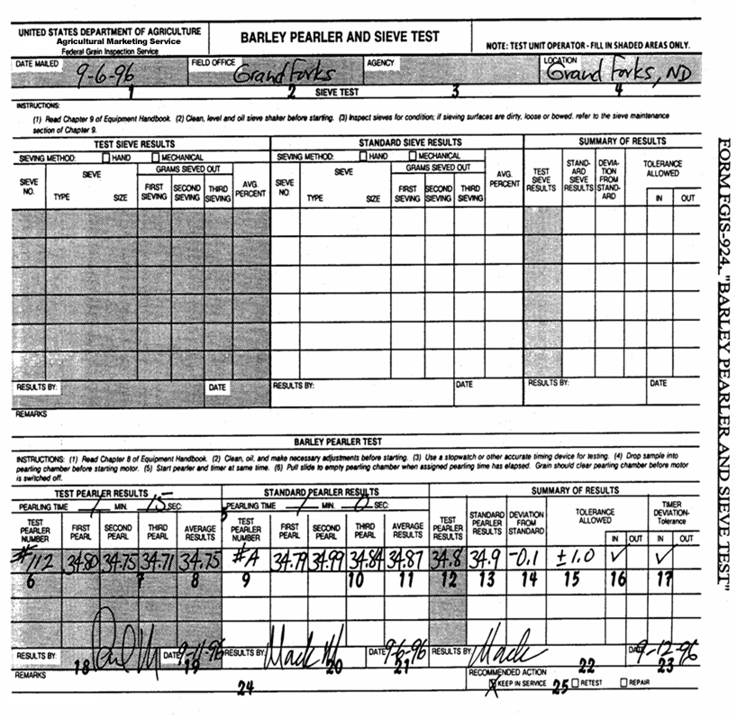

Sieve Example
