Sheet1
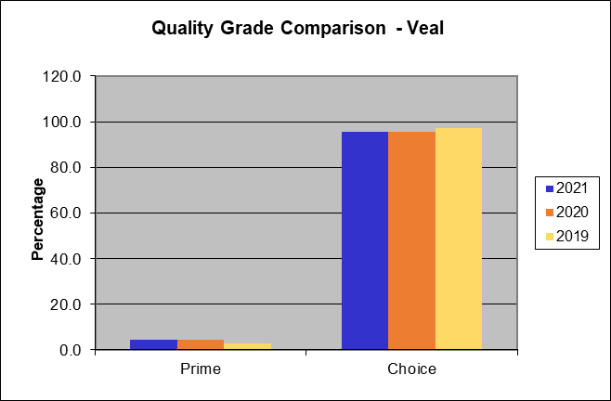
National Summary of Meats Graded (Pounds in Thousands)

Date Range of Report | 2020-12-27 | to | 2021-12-25

Beef Grade Volume Information
Quality Grade | Yield Grade 1 | Yield Grade 2 | Yield Grade 3 | Yield Grade 4 | Yield Grade 5 | Quality Grade Only | Total Quality Graded | Percent of All Quality Graded | Percent of Total Steer and Heifer Offered
Prime | 2,537 | 68,981 | 331,975 | 141,669 | 42,343 | 1,647,003 | 2,234,507 | 10.4% | 9.8%
Choice | 82,488 | 1,175,314 | 2,249,052 | 613,897 | 114,081 | 11,829,502 | 16,064,335 | 74.6% | 70.6%
Select | 102,417 | 442,160 | 292,618 | 38,626 | 5,913 | 2,299,884 | 3,181,618 | 14.8% | 14.0%
Standard | 51 | 212 | 306 | 45 | 2 | 612 | 1,228 | 0.0% | 0.0%
Commercial | 22 | 632 | 5,948 | 3,669 | 593 | 2 | 10,864 | 0.1%
Utility | 1,136 | 7,921 | 19,634 | 5,982 | 773 | 6 | 35,451 | 0.2%
Cutter | 0 | 0 | 0 | 0 | 0 | 0 | 0 | 0.0%
Canner | 0 | 0 | 0 | 0 | 0 | 0 | 0 | 0.0%
Yield Grade Only | 16,368 | 35,232 | 32,720 | 8,131 | 2,164 | 0 | 0
Total Yield Graded | 205,019 | 1,730,452 | 2,932,253 | 812,019 | 165,869

Percent of All Yield Graded | 3.5% | 29.6% | 50.2% | 13.9% | 2.8%

Lamb and Mutton Grade Volume Information
Quality Grade | Yield Grade 1 | Yield Grade 2 | Yield Grade 3 | Yield Grade 4 | Yield Grade 5 | Total Quality Graded | Percent of All Quality Graded
Prime | 49 | 1,168 | 2,019 | 1,050 | 359 | 4,645 | 8.2%
Choice | 3,388 | 19,846 | 21,230 | 6,151 | 1,300 | 51,915 | 91.8%
Good | 0 | 0 | 0 | 0 | 0 | 0 | 0.0%
Utility | 0 | 0 | 0 | 0 | 0 | 0 | 0.0%
Cull | 0 | 0 | 0 | 0 | 0 | 0 | 0.0%

Total Yield Graded | 3,437 | 21,014 | 23,249 | 7,201 | 1,659

Percent of All Yield Graded | 6.1% | 37.2% | 41.1% | 12.7% | 2.9%

Veal and Calf Grade Volume Information
Quality Grade | Total Graded | Percent of Total Graded
Prime | 681 | 4.4%
Choice | 14,862 | 95.6%
Good | 0 | 0.0%
Standard | 0 | 0.0%
Utility | 0 | 0.0%

There is no grade volume of Bull/Bullock or Pork in the currrent reporting period.

The following information reflects the grade volume percentages computed against the national harvest
94.9% | of Federal Inspected Steer and Heifers offered represents total Steers and Heifers graded.
1.1% | of Federal Inspected Cows offered represents total Cows graded.
80.1% | of Federal Inspected Beef offered represents total Beef (Steers, Heifers, and Cows) graded.
94.4% | of Beef Quality graded (Prime, Choice, Select, Standard) of total Steers/Heifers offered.
25.5% | of Beef Yield graded (1 - 5) of Steers/Heifers offered.
50.4% | of Federal Inspected Lamb offered represents total Lambs Graded.
29.9% | of Federal Veal and Calf offered represents total Veal and Calf graded

National Summary of Meats Graded (Head Graded)

Date Range of Report | 2020-12-27 | to | 2021-12-25

Beef Grade Volume Information
Quality Grade | Yield Grade 1 | Yield Grade 2 | Yield Grade 3 | Yield Grade 4 | Yield Grade 5 | Quality Grade Only | Total Quality Graded | Percent of All Quality Graded | Percent of Total Steer and Heifer Offered
Prime | 2,889 | 78,564 | 378,094 | 161,350 | 48,225 | 1,875,809 | 2,544,931 | 10.4% | 9.8%
Choice | 93,948 | 1,338,592 | 2,561,497 | 699,181 | 129,930 | 13,472,891 | 18,296,039 | 74.6% | 70.6%
Select | 116,645 | 503,586 | 333,269 | 43,992 | 6,735 | 2,619,391 | 3,623,618 | 14.8% | 14.0%
Standard | 58 | 242 | 349 | 51 | 2 | 697 | 1,399 | 0.0% | 0.0%
Commercial | 34 | 991 | 9,331 | 5,756 | 930 | 3 | 17,045 | 0.1%
Utility | 1,782 | 12,427 | 30,803 | 9,385 | 1,212 | 9 | 55,618 | 0.2%
Cutter | 0 | 0 | 0 | 0 | 0 | 0 | 0 | 0.0%
Canner | 0 | 0 | 0 | 0 | 0 | 0 | 0 | 0.0%
Yield Grade Only | 18,642 | 40,127 | 37,266 | 9,261 | 2,465
Total Yield Graded | 233,998 | 1,974,529 | 3,350,609 | 928,976 | 189,499

Percent of All Yield Graded | 3.5% | 29.6% | 50.2% | 13.9% | 2.8%

Lamb and Mutton Grade Volume Information
Quality Grade | Yield Grade 1 | Yield Grade 2 | Yield Grade 3 | Yield Grade 4 | Yield Grade 5 | Total Quality Graded | Percent of All Quality Graded
Prime | 774 | 18,538 | 32,054 | 16,668 | 5,701 | 73,735 | 8.2%
Choice | 53,784 | 315,010 | 336,980 | 97,639 | 20,631 | 824,044 | 91.8%
Good | 0 | 0 | 0 | 0 | 0 | 0 | 0.0%
Utility | 0 | 0 | 0 | 0 | 0 | 0 | 0.0%
Cull | 0 | 0 | 0 | 0 | 0 | 0 | 0.0%

Total Yield Graded | 54,558 | 333,548 | 369,034 | 114,307 | 26,332

Percent of All Yield Graded | 6.1% | 37.2% | 41.1% | 12.7% | 2.9%

Veal and Calf Grade Volume Information
Quality Grade | Total Graded | Percent of Total Graded
Prime | 5,012 | 4.4%
Choice | 109,443 | 95.6%
Good | 0 | 0.0%
Standard | 0 | 0.0%
Utility | 0 | 0.0%

There is no grade volume of Bull/Bullock or Pork in the currrent reporting period.

Beef Quality Grade Comparison
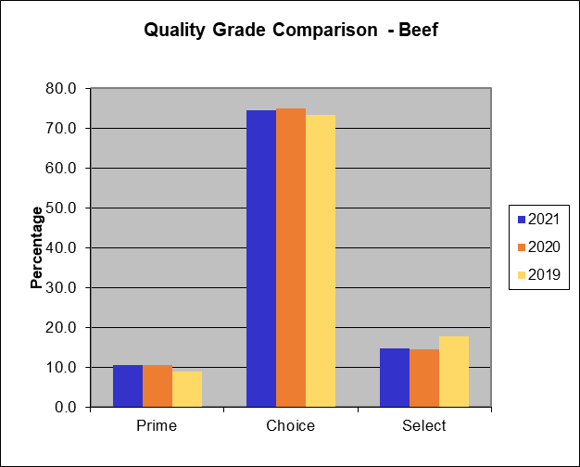

Beef Yield Grade Comparison
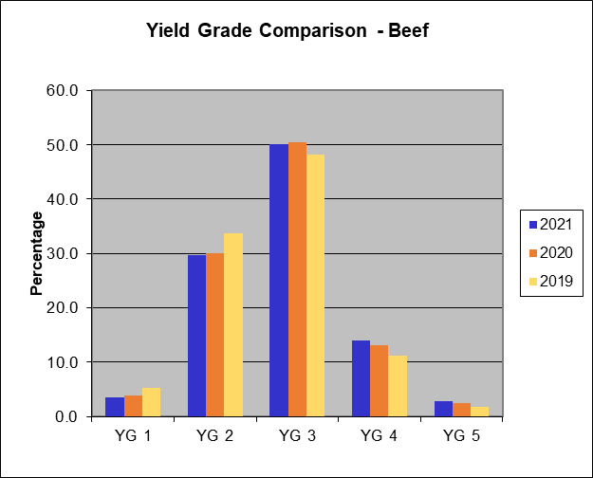

Lamb Quality Grade Comparison
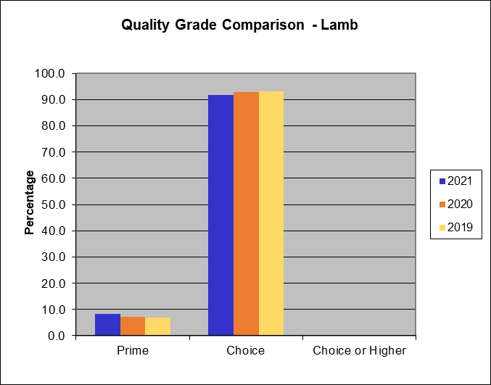

Lamb Yield Grade Comparison
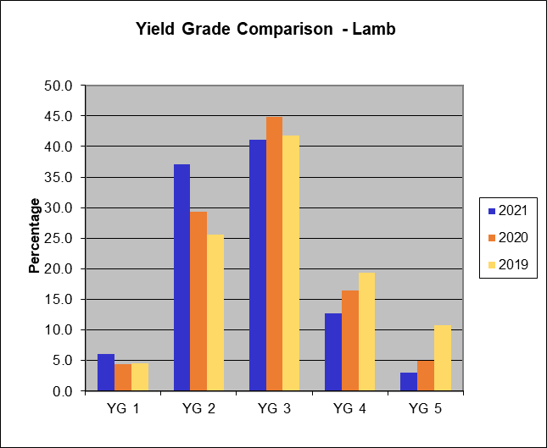

Veal and Calf Quality Grade Comparison

