Sheet1
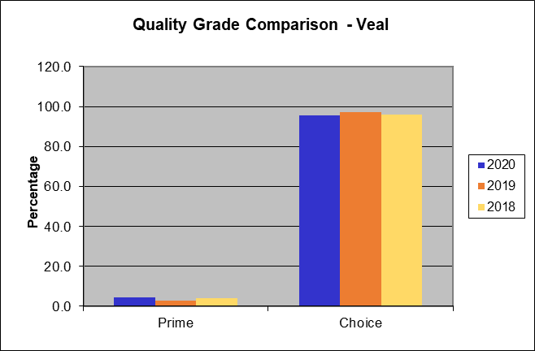
National Summary of Meats Graded (Pounds in Thousands)

Date Range of Report | 2019-12-29 | to | 2022-12-26

Beef Grade Volume Information
Quality Grade | Yield Grade 1 | Yield Grade 2 | Yield Grade 3 | Yield Grade 4 | Yield Grade 5 | Quality Grade Only | Total Quality Graded | Percent of All Quality Graded | Percent of Total Steer and Heifer Offered
Prime | 2,822 | 65,538 | 327,055 | 134,308 | 36,223 | 1,631,014 | 2,196,960 | 10.5% | 9.9%
Choice | 97,516 | 1,178,760 | 2,281,735 | 576,699 | 93,736 | 11,478,877 | 15,707,323 | 74.9% | 71.1%
Select | 110,274 | 486,808 | 326,106 | 46,242 | 6,484 | 2,045,150 | 3,021,063 | 14.4% | 13.7%
Standard | 15 | 162 | 398 | 105 | 25 | 1,755 | 2,459 | 0.0% | 0.0%
Commercial | 20 | 1,057 | 5,221 | 2,689 | 1,232 | 120 | 10,341 | 0.1%
Utility | 297 | 6,757 | 15,942 | 5,139 | 1,920 | 1 | 30,056 | 0.2%
Cutter | 0 | 0 | 0 | 0 | 0 | 0 | 0 | 0.0%
Canner | 0 | 0 | 0 | 0 | 0 | 0 | 0 | 0.0%
Yield Grade Only | 17,077 | 41,899 | 31,148 | 7,317 | 2,036 | 0 | 0
Total Yield Graded | 228,021 | 1,780,982 | 2,987,605 | 772,498 | 141,656

Percent of All Yield Graded | 3.9% | 30.1% | 50.5% | 13.1% | 2.4%

Lamb and Mutton Grade Volume Information
Quality Grade | Yield Grade 1 | Yield Grade 2 | Yield Grade 3 | Yield Grade 4 | Yield Grade 5 | Total Quality Graded | Percent of All Quality Graded
Prime | 40 | 573 | 1,365 | 1,386 | 726 | 4,091 | 7.1%
Choice | 2,501 | 16,345 | 24,523 | 8,047 | 2,163 | 53,579 | 92.9%
Good | 0 | 0 | 0 | 0 | 0 | 0 | 0.0%
Utility | 0 | 0 | 0 | 0 | 0 | 0 | 0.0%
Cull | 0 | 0 | 0 | 0 | 0 | 0 | 0.0%

Total Yield Graded | 2,541 | 16,918 | 25,888 | 9,433 | 2,889

Percent of All Yield Graded | 4.4% | 29.3% | 44.9% | 16.4% | 5.0%

Veal and Calf Grade Volume Information
Quality Grade | Total Graded | Percent of Total Graded
Prime | 906 | 4.6%
Choice | 18,657 | 95.4%
Good | 0 | 0.0%
Standard | 0 | 0.0%
Utility | 0 | 0.0%

There is no grade volume of Bull/Bullock or Pork in the currrent reporting period.

The following information reflects the grade volume percentages computed against the national harvest
95.1% | of Federal Inspected Steer and Heifers offered represents total Steers and Heifers graded.
1.0% | of Federal Inspected Cows offered represents total Cows graded.
80.6% | of Federal Inspected Beef offered represents total Beef (Steers, Heifers, and Cows) graded.
94.7% | of Beef Quality graded (Prime, Choice, Select, Standard) of total Steers/Heifers offered.
26.6% | of Beef Yield graded (1 - 5) of Steers/Heifers offered.
50.1% | of Federal Inspected Lamb offered represents total Lambs Graded.
31.2% | of Federal Veal and Calf offered represents total Veal and Calf graded

National Summary of Meats Graded (Head Graded)

Date Range of Report | 2019-12-29 | to | 2022-12-26

Beef Grade Volume Information
Quality Grade | Yield Grade 1 | Yield Grade 2 | Yield Grade 3 | Yield Grade 4 | Yield Grade 5 | Quality Grade Only | Total Quality Graded | Percent of All Quality Graded | Percent of Total Steer and Heifer Offered
Prime | 3,207 | 74,479 | 371,672 | 152,630 | 41,164 | 1,853,516 | 2,496,668 | 10.5% | 9.9%
Choice | 110,819 | 1,339,566 | 2,593,008 | 655,372 | 106,523 | 13,044,819 | 17,850,107 | 74.9% | 71.1%
Select | 125,317 | 553,218 | 370,593 | 52,550 | 7,369 | 2,324,148 | 3,433,195 | 14.4% | 13.7%
Standard | 17 | 184 | 452 | 119 | 28 | 1,994 | 2,794 | 0.0% | 0.0%
Commercial | 31 | 1,650 | 8,148 | 4,197 | 1,923 | 188 | 16,137 | 0.1%
Utility | 464 | 10,545 | 24,879 | 8,019 | 2,996 | 1 | 46,904 | 0.2%
Cutter | 0 | 0 | 0 | 0 | 0 | 0 | 0 | 0.0%
Canner | 0 | 0 | 0 | 0 | 0 | 0 | 0 | 0.0%
Yield Grade Only | 19,407 | 47,615 | 35,397 | 8,315 | 2,314
Total Yield Graded | 259,262 | 2,027,257 | 3,404,149 | 881,202 | 162,317

Percent of All Yield Graded | 3.8% | 30.1% | 50.6% | 13.1% | 2.4%

Lamb and Mutton Grade Volume Information
Quality Grade | Yield Grade 1 | Yield Grade 2 | Yield Grade 3 | Yield Grade 4 | Yield Grade 5 | Total Quality Graded | Percent of All Quality Graded
Prime | 622 | 8,822 | 21,002 | 21,319 | 11,168 | 62,933 | 7.1%
Choice | 38,474 | 251,459 | 377,278 | 123,806 | 33,274 | 824,291 | 92.9%
Good | 0 | 0 | 0 | 0 | 0 | 0 | 0.0%
Utility | 0 | 0 | 0 | 0 | 0 | 0 | 0.0%
Cull | 0 | 0 | 0 | 0 | 0 | 0 | 0.0%

Total Yield Graded | 39,096 | 260,281 | 398,280 | 145,125 | 44,442

Percent of All Yield Graded | 4.4% | 29.3% | 44.9% | 16.4% | 5.0%

Veal and Calf Grade Volume Information
Quality Grade | Total Graded | Percent of Total Graded
Prime | 6,413 | 4.6%
Choice | 132,129 | 95.4%
Good | 0 | 0.0%
Standard | 0 | 0.0%
Utility | 0 | 0.0%

There is no grade volume of Bull/Bullock or Pork in the currrent reporting period.

Beef Quality Grade Comparison
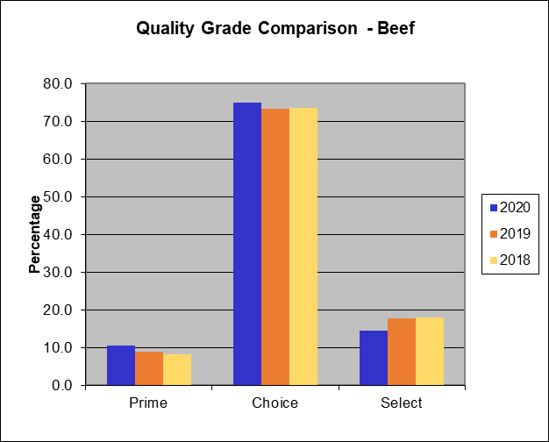

Beef Yield Grade Comparison
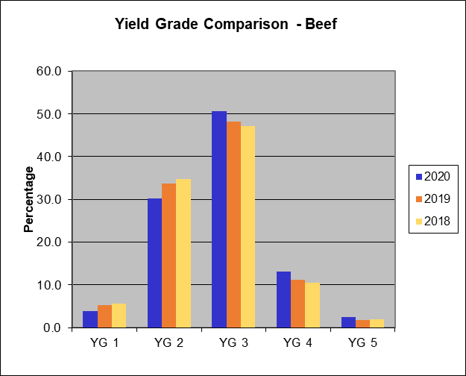

Lamb Quality Grade Comparison
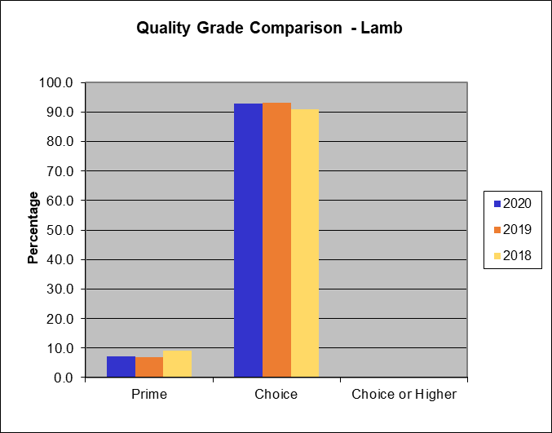

Lamb Yield Grade Comparison
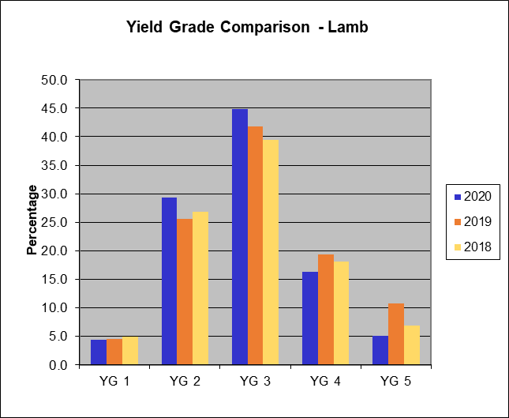

Veal and Calf Quality Grade Comparison

