Sheet1
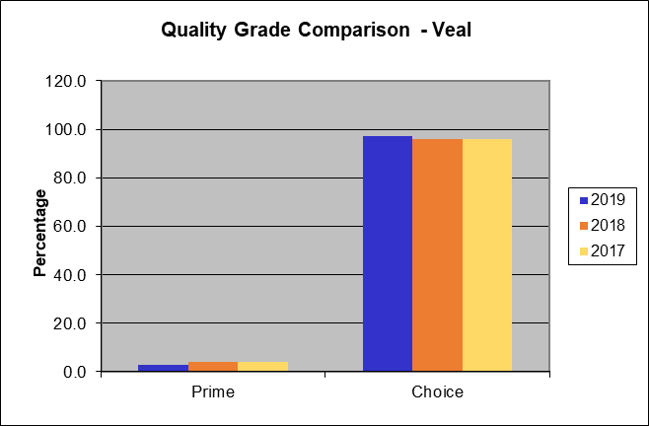
National Summary of Meats Graded (Pounds in Thousands)

Date Range of Report | 2018-12-30 | to | 2019-12-28

Beef Grade Volume Information
Quality Grade | Yield Grade 1 | Yield Grade 2 | Yield Grade 3 | Yield Grade 4 | Yield Grade 5 | Quality Grade Only | Total Quality Graded | Percent of All Quality Graded | Percent of Total Steer and Heifer Offered
Prime | 3,329 | 75,414 | 323,822 | 125,224 | 29,539 | 1,316,715 | 1,874,044 | 8.9% | 8.4%
Choice | 132,283 | 1,348,560 | 2,248,878 | 503,977 | 67,949 | 11,191,172 | 15,492,819 | 73.3% | 69.8%
Select | 158,168 | 587,241 | 329,470 | 40,970 | 5,067 | 2,595,602 | 3,716,519 | 17.6% | 16.7%
Standard | 9 | 253 | 497 | 121 | 25 | 1,413 | 2,317 | 0.0% | 0.0%
Commercial | 3 | 348 | 2,004 | 1,638 | 529 | 1 | 4,524 | 0.0%
Utility | 218 | 6,613 | 16,460 | 7,531 | 1,734 | 4 | 32,559 | 0.2%
Cutter | 0 | 0 | 0 | 0 | 0 | 0 | 0 | 0.0%
Canner | 0 | 0 | 0 | 0 | 0 | 0 | 0 | 0.0%
Yield Grade Only | 27,529 | 53,379 | 35,993 | 8,128 | 1,901 | 0 | 0
Total Yield Graded | 321,538 | 2,071,809 | 2,957,125 | 687,590 | 106,744

Percent of All Yield Graded | 5.2% | 33.7% | 48.1% | 11.2% | 1.7%

Lamb and Mutton Grade Volume Information
Quality Grade | Yield Grade 1 | Yield Grade 2 | Yield Grade 3 | Yield Grade 4 | Yield Grade 5 | Total Quality Graded | Percent of All Quality Graded
Prime | 69 | 797 | 1,634 | 1,540 | 776 | 4,816 | 6.8%
Choice | 3,075 | 17,247 | 27,781 | 12,043 | 5,417 | 65,563 | 93.2%
Good | 0 | 0 | 0 | 0 | 0 | 0 | 0.0%
Utility | 0 | 0 | 0 | 0 | 0 | 0 | 0.0%
Cull | 0 | 0 | 0 | 0 | 0 | 0 | 0.0%

Total Yield Graded | 3,144 | 18,045 | 29,415 | 13,583 | 6,193

Percent of All Yield Graded | 4.5% | 25.6% | 41.8% | 19.3% | 8.8%

Veal and Calf Grade Volume Information
Quality Grade | Total Graded | Percent of Total Graded
Prime | 579 | 2.9%
Choice | 19,333 | 97.1%
Good | 0 | 0.0%
Standard | 0 | 0.0%
Utility | 0 | 0.0%

There is no grade volume of Bull/Bullock or Pork in the currrent reporting period.

The following information reflects the grade volume percentages computed against the national harvest
95.5% | of Federal Inspected Steer and Heifers offered represents total Steers and Heifers graded.
0.9% | of Federal Inspected Cows offered represents total Cows graded.
80.8% | of Federal Inspected Beef offered represents total Beef (Steers, Heifers, and Cows) graded.
95.0% | of Beef Quality graded (Prime, Choice, Select, Standard) of total Steers/Heifers offered.
27.5% | of Beef Yield graded (1 - 5) of Steers/Heifers offered.
56.1% | of Federal Inspected Lamb offered represents total Lambs Graded.
27.1% | of Federal Veal and Calf offered represents total Veal and Calf graded

National Summary of Meats Graded (Head Graded)

Date Range of Report | 2018-12-30 | to | 2019-12-28

Beef Grade Volume Information
Quality Grade | Yield Grade 1 | Yield Grade 2 | Yield Grade 3 | Yield Grade 4 | Yield Grade 5 | Quality Grade Only | Total Quality Graded | Percent of All Quality Graded | Percent of Total Steer and Heifer Offered
Prime | 3,898 | 88,295 | 379,130 | 146,612 | 34,584 | 1,541,605 | 2,194,124 | 8.9% | 8.4%
Choice | 154,877 | 1,578,889 | 2,632,978 | 590,054 | 79,554 | 13,102,582 | 18,138,934 | 73.3% | 69.8%
Select | 185,182 | 687,540 | 385,742 | 47,968 | 5,933 | 3,038,921 | 4,351,286 | 17.6% | 16.7%
Standard | 10 | 296 | 582 | 142 | 29 | 1,654 | 2,713 | 0.0% | 0.0%
Commercial | 4 | 544 | 3,131 | 2,559 | 827 | 2 | 7,067 | 0.0%
Utility | 340 | 10,329 | 25,710 | 11,764 | 2,708 | 6 | 50,857 | 0.2%
Cutter | 0 | 0 | 0 | 0 | 0 | 0 | 0 | 0.0%
Canner | 0 | 0 | 0 | 0 | 0 | 0 | 0 | 0.0%
Yield Grade Only | 32,231 | 62,496 | 42,141 | 9,516 | 2,226
Total Yield Graded | 376,542 | 2,428,389 | 3,469,414 | 808,615 | 125,861

Percent of All Yield Graded | 5.2% | 33.7% | 48.1% | 11.2% | 1.7%

Lamb and Mutton Grade Volume Information
Quality Grade | Yield Grade 1 | Yield Grade 2 | Yield Grade 3 | Yield Grade 4 | Yield Grade 5 | Total Quality Graded | Percent of All Quality Graded
Prime | 1,041 | 12,045 | 24,677 | 23,268 | 11,723 | 72,754 | 6.8%
Choice | 46,452 | 260,531 | 419,653 | 181,913 | 81,824 | 990,373 | 93.2%
Good | 0 | 0 | 0 | 0 | 0 | 0 | 0.0%
Utility | 0 | 0 | 0 | 0 | 0 | 0 | 0.0%
Cull | 0 | 0 | 0 | 0 | 0 | 0 | 0.0%

Total Yield Graded | 47,493 | 272,576 | 444,330 | 205,181 | 93,547

Percent of All Yield Graded | 4.5% | 25.6% | 41.8% | 19.3% | 8.8%

Veal and Calf Grade Volume Information
Quality Grade | Total Graded | Percent of Total Graded
Prime | 4,541 | 2.9%
Choice | 151,751 | 97.1%
Good | 0 | 0.0%
Standard | 0 | 0.0%
Utility | 0 | 0.0%

There is no grade volume of Bull/Bullock or Pork in the currrent reporting period.

Beef Quality Grade Comparison
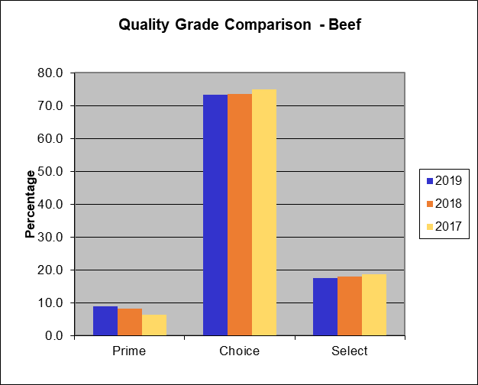

Beef Yield Grade Comparison
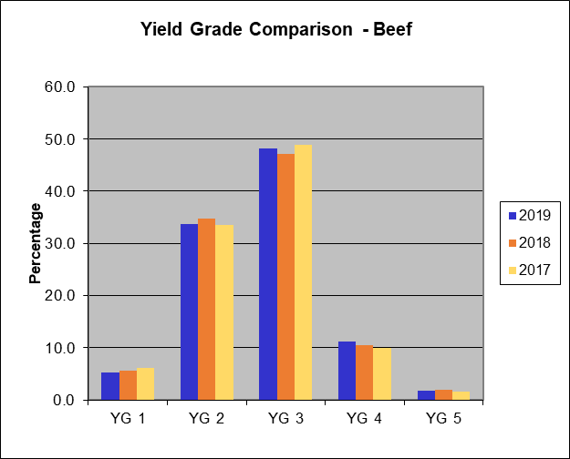

Lamb Quality Grade Comparison
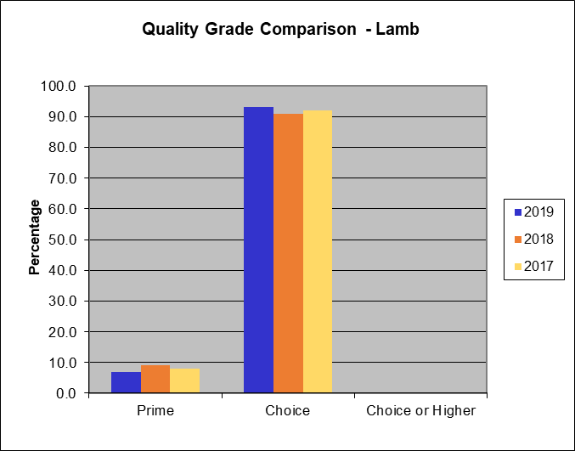

Lamb Yield Grade Comparison
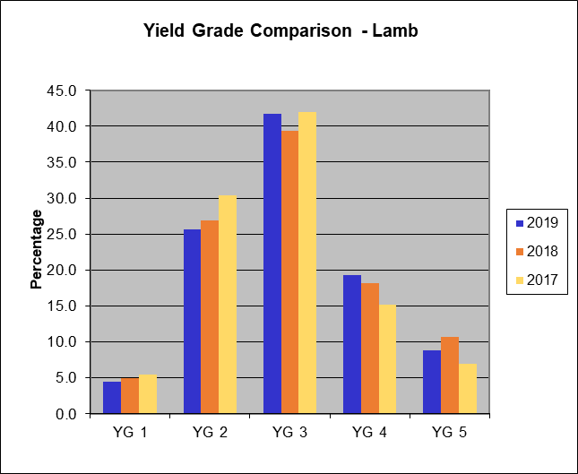

Veal and Calf Quality Grade Comparison

